Sheet1
BRAND | STYL NAME/DESC | COLOUR | 6 | 7 | 8 | 9 | 10 | 11 | 12 | 13 | TTL | COMMENTS | RRP | PRICE
XL | BARNEY SLIP ON SHOE MEMORY FOAM INSOLE | BLUE | 90 | 200 | 356 | 488 | 438 | 318 | 170 | 230 | 2290 | 93 X CTNS PRE PACK (8/2 9/2 10/2 11/2)=8 BALANCE 1546 BLOCKED SIZED | £12.99 | £4.50
 |  | 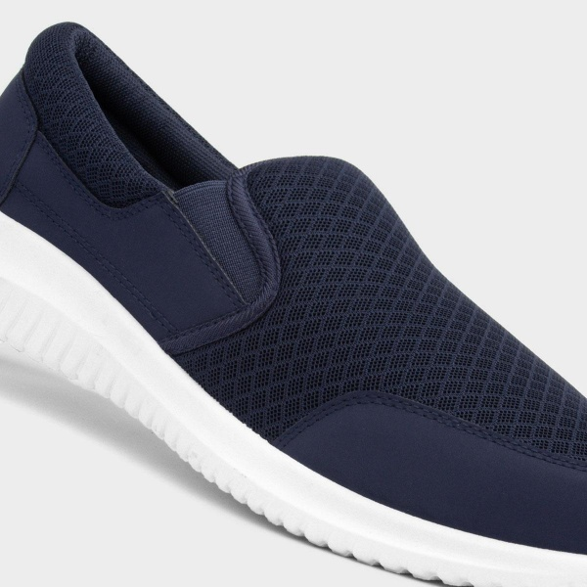 |  |  |  |  | 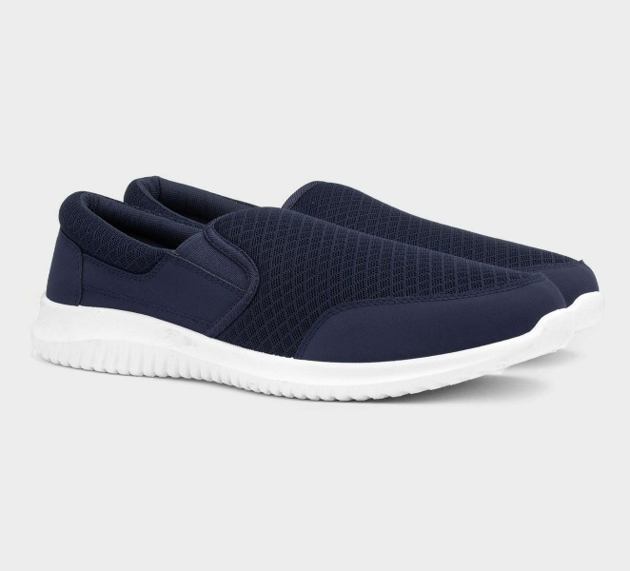 |  |  |  |  | 